ART
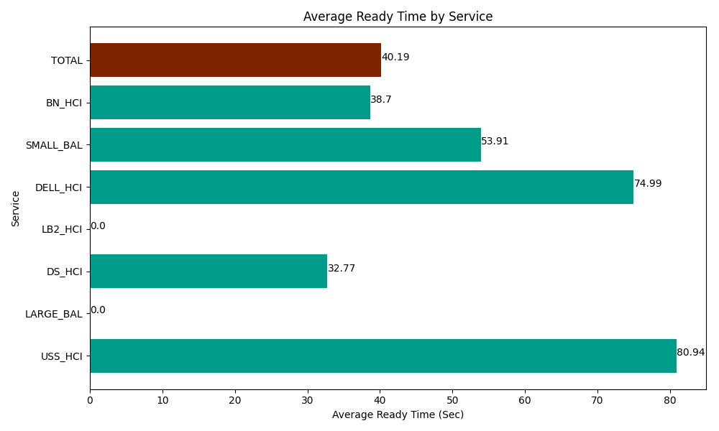
Date | Service | Successful Op Transfer | In Call (Sec) | Ready (Sec) | Wrapup (Sec) | Not Ready (Sec) | Average Ready Time (Sec)
06-14-2024 | USS_HCI | 231 | 33525 | 18696.000366 | 35637.000732 | 28815 | 80.94
06-14-2024 | LARGE_BAL | 0 | 0 | 70.799996853 | 0 | 1.7999999598 | 0
06-14-2024 | DS_HCI | 452 | 31666.201172 | 14812.800293 | 57759.001465 | 40270.799561 | 32.77
06-14-2024 | LB2_HCI | 0 | 0 | 37.200000286 | 0 | 10.200000107 | 0
06-14-2024 | DELL_HCI | 139 | 14268.000183 | 10423.200073 | 46997.999268 | 28654.200439 | 74.99
06-14-2024 | SMALL_BAL | 20 | 2440.8000183 | 1078.1999588 | 2845.1998901 | 97.799999714 | 53.91
06-14-2024 | BN_HCI | 626 | 29836.799927 | 24226.199341 | 47857.199707 | 25831.799927 | 38.7
 | TOTAL | 1468 | 111736.8013 | 69344.400029 | 191096.40106 | 123681.59993 | 40.19

